Figures
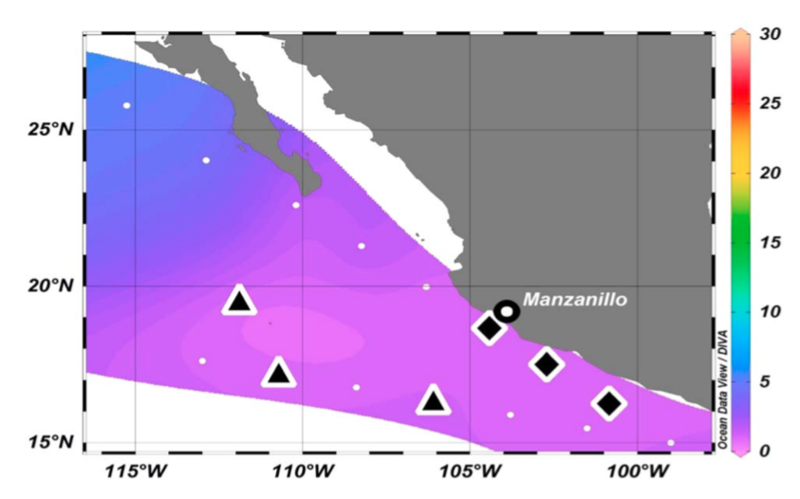
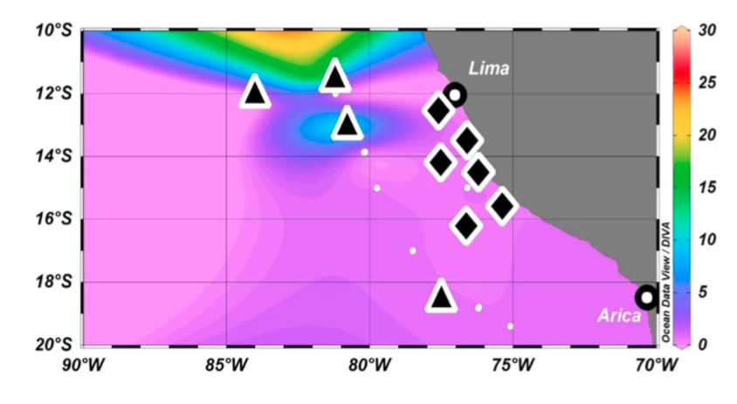
Santoro et al., 2020 | Peng 2016, GBC, (RV Nathaniel Palmer 2013)
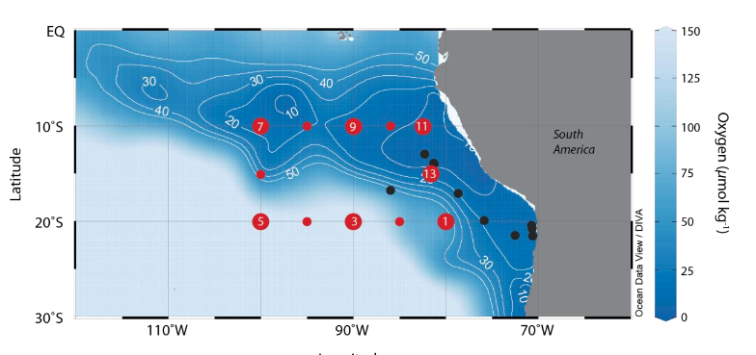
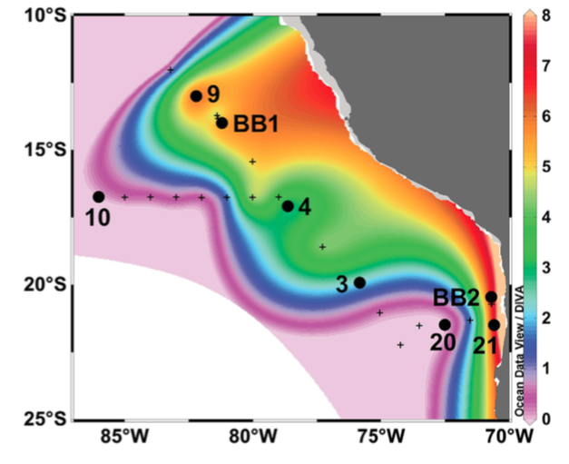

Beman et al., 2013 |  | Peng 2015, (RV Thompson 2012)
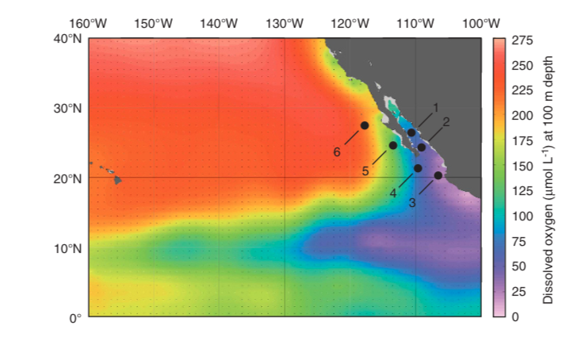
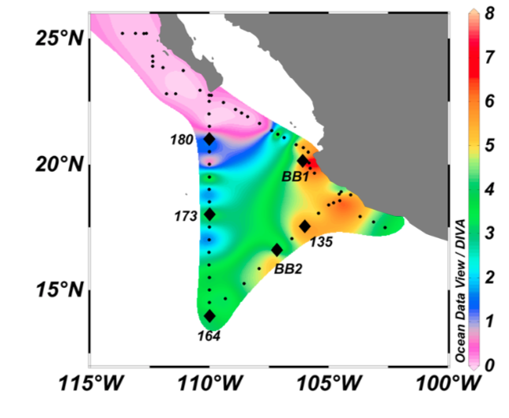

Buchwald 2015, GBC (Melville 2010) , Costa Rica Dome |  | Frey 2020, BGS (RV Meteor)

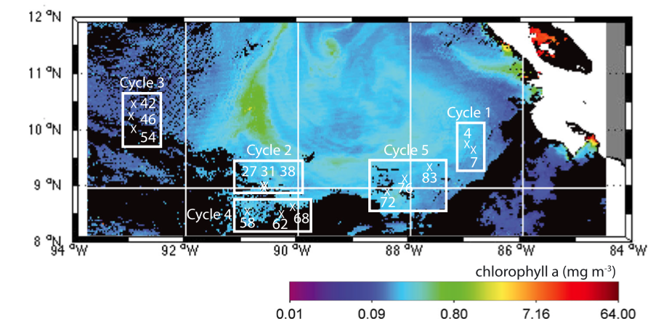
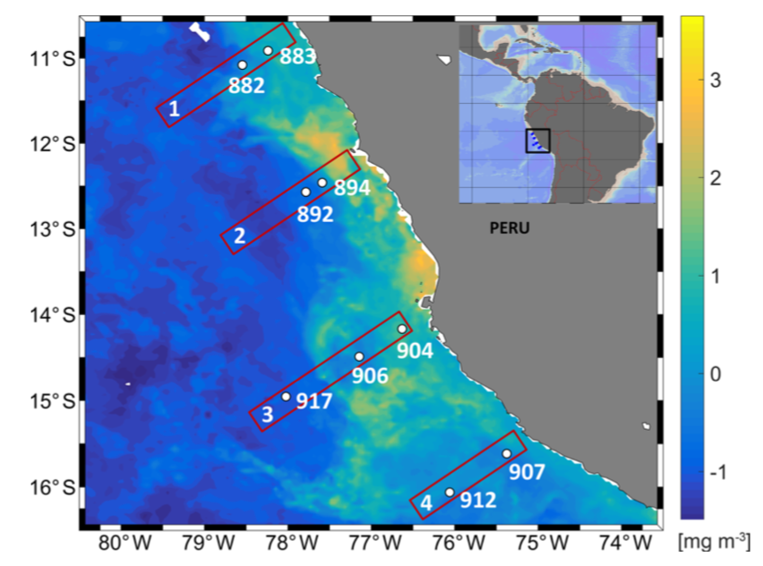

Ji 2018,GBC, (RV Atlantis 2015) |  |  | Ji 2018,GBC, (RV Brown 2016)

